DASK
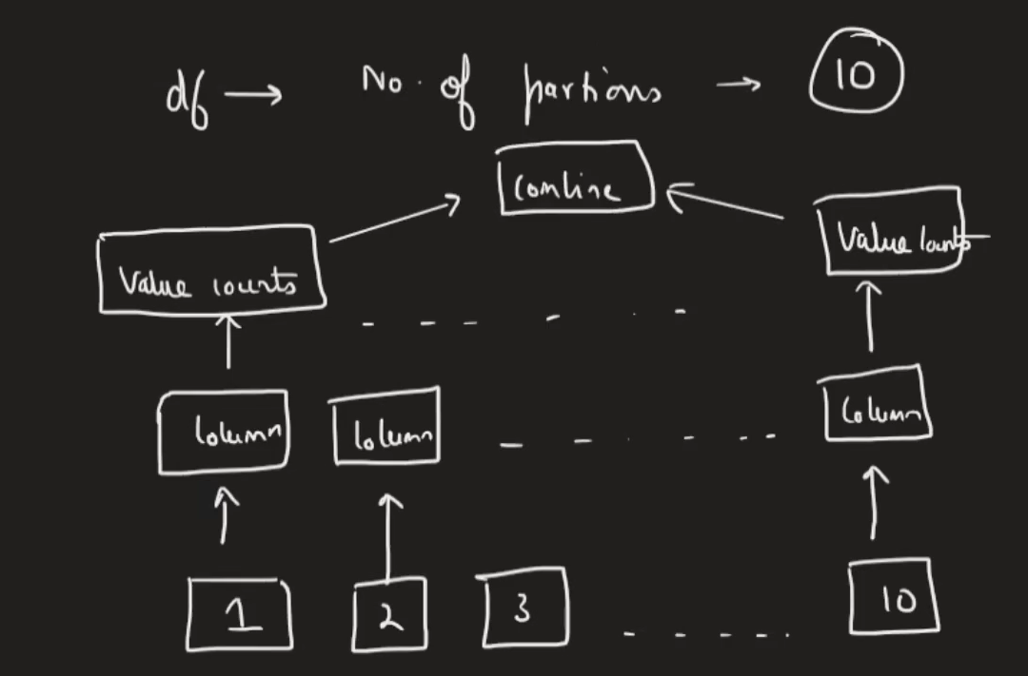
 | DASK --> | IT IS A PYTHON LIBARAY WHICH IS USED TO HANDLE LARGE DATASETS

 | USE-> | ABLE TO HANDLE LARGE DATASETS |  |  |  | we can use chunks for large datasets ,
 |  | Good in handling out of memory datasets

 |  | DASK performs all these operations automatically

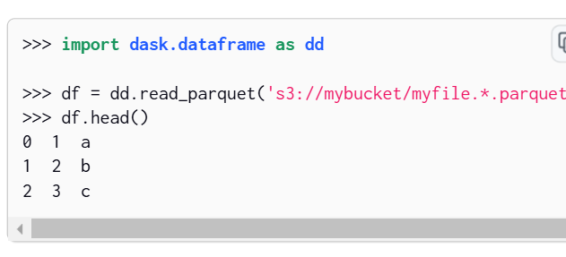

two modules we are using here--=>
1. DASK Dataframe |  |  | similar
2. DASK Arrays

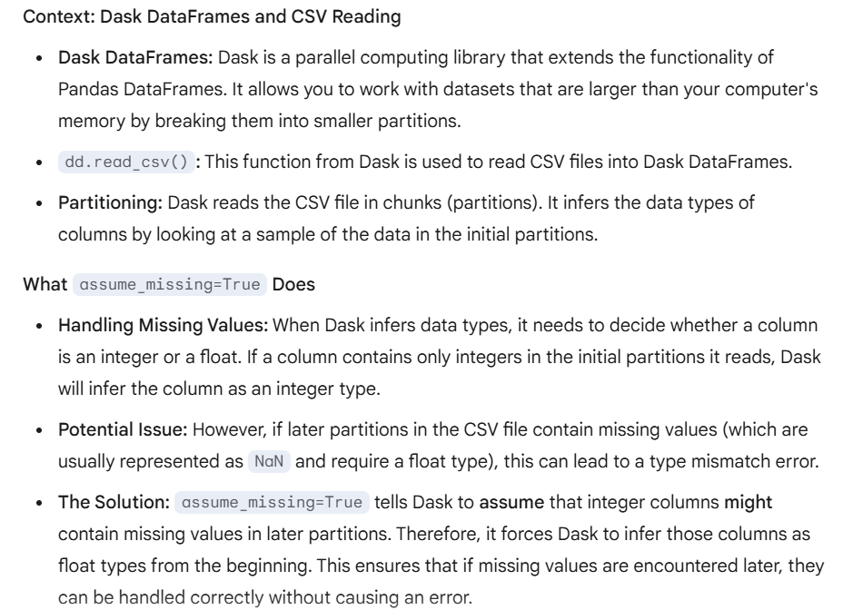

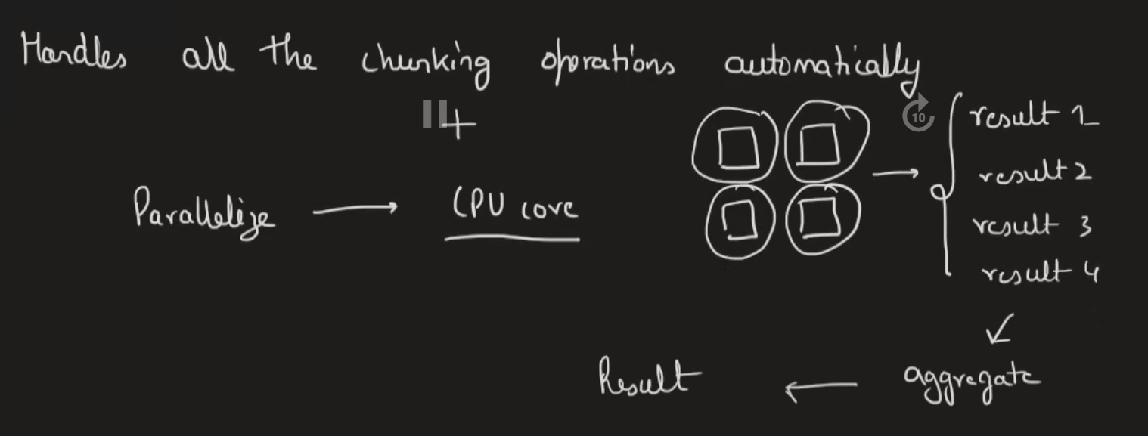

DASK PERFORMS OPERATIONS THROUGH TASK GRAPHS |  |  |  |  | DASK PERFORMS PARALLEL OPERATIONS
 |  |  |  |  | DASK GIVES A LESS MEMORY FOOTPRINT
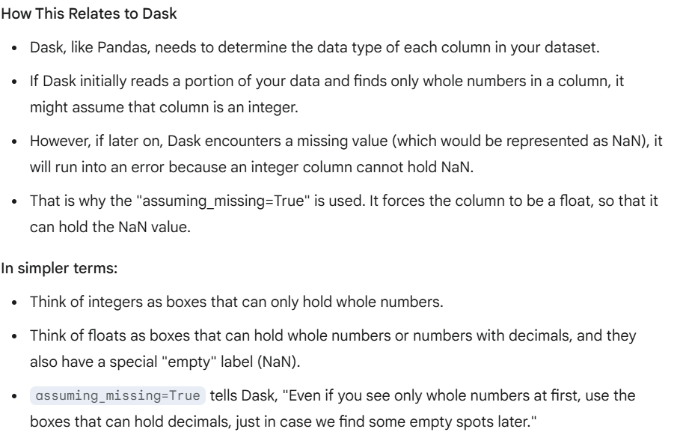

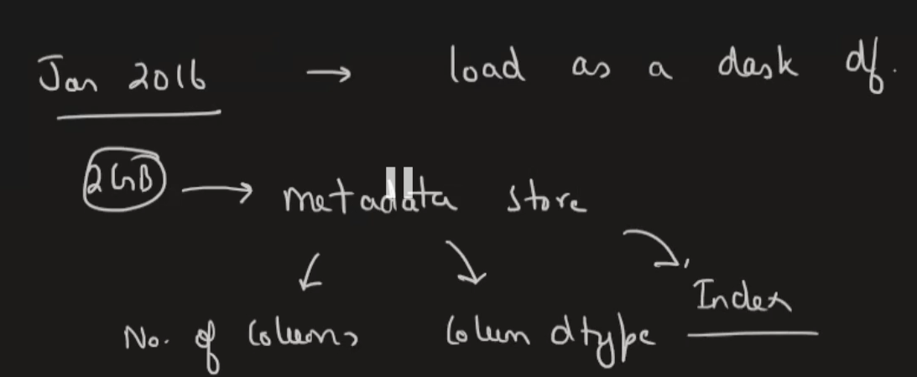

 | DASK DATAFRAME KA OBJECT STORES ONLY THE METADATA ,IT DOESN’T STORES THE ACTTUAL DATA

 | DASK BREAKDOWN THE DATASETS INTO CHUNKS

 |  |  |  | `
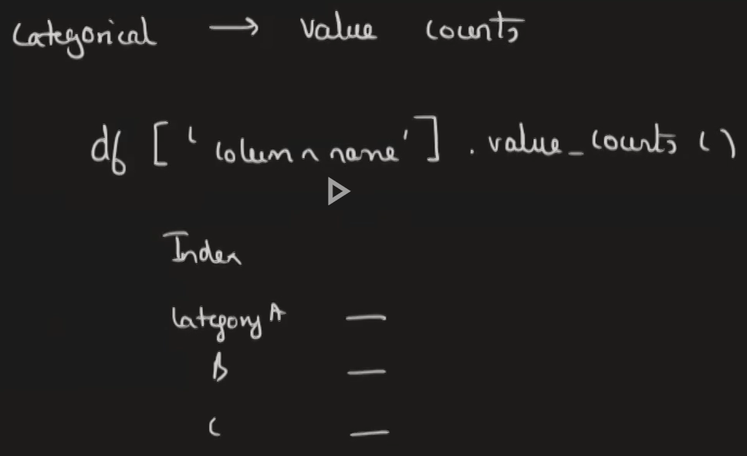

 |  |  |  |  |  |  | HOW PANDAS WORKS

 | how dask PERFORM

FOrecasting
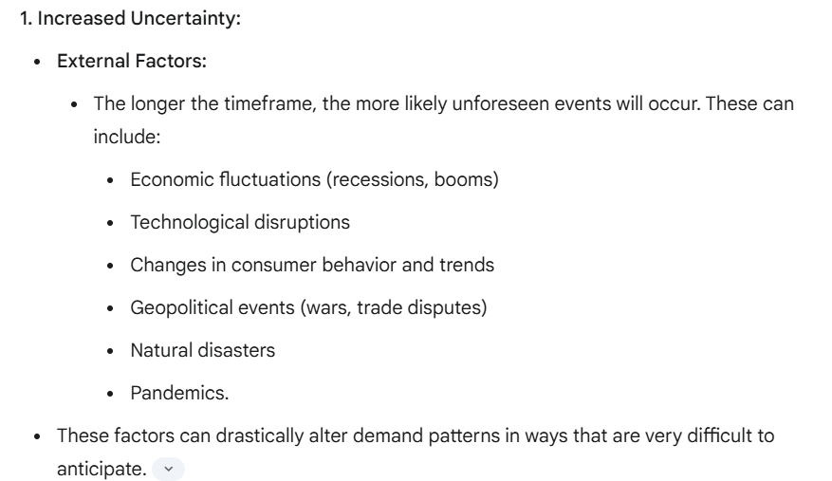
Predicting demand for longer period of time is not good

UBER DEMAND PREDICTION
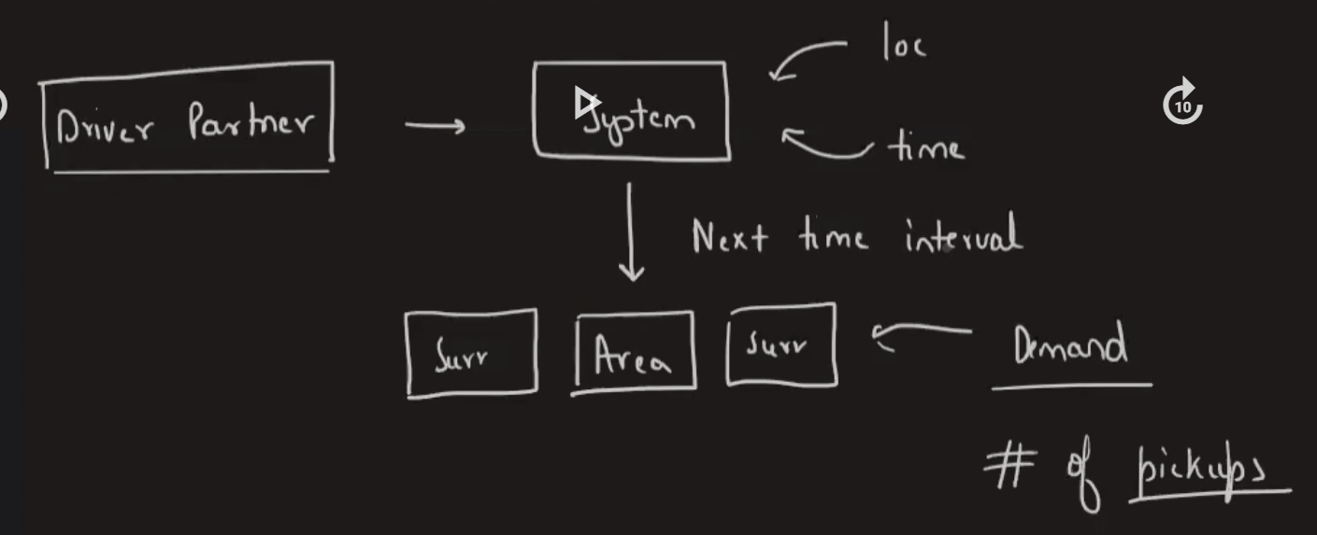
1 | CHANCES OF GETTING RIDE INCREASE
2 | WAIT TIME DECREASE

